Instructions
Colorado Shines Brighter Strategic Plan Update Landscape Analysis 2020 A federal Preschool Development Grant Birth through Five (PDG) was awarded to the Colorado Department of Human Services Office of Early Childhood in 2019 for three years (2020-2022). The grant funds will be used to implement activities identified in the Colorado Shines Brighter Strategic Plan to maximize the number of high-quality early care and education options available to families, especially families identified as under-resourced such as those living in rural areas, families of infants and toddlers, and families of children with special needs. The purpose of this Landscape Analysis is to inventory the state and local organizations that are doing work moving the Strategic Plan forward.
“This project was made possible by grant number 90TP0054. Its contents are solely the responsibility of the authors and do not necessarily represent the official view of the United States Department of Health and Human Services, Administration for Children and Families.”
Instructions
1. The tab labeled "Summary Tables" provides an overall summary of the information included in the Landscape Analysis. It might be helpful to begin your review of the information with this tab to orient yourself to the information included.
2. The tab labeled "CSB Strategies" provides the full title for each of the 56 Colorado Shines Brighter (CSB) Strategic Plan Strategies. For the complete strategic plan, please visit the Colorado Shines Brighter Preschool Development Grant Website.
3.The tab labeled "Variable Descriptions" provides the variable names and descriptions for columns A-P in the Landscape Analysis Dashboard. Review this information to familiarize yourself with what is included in the Dashboard before you begin.
4. The last tab labeled "Landscape Analysis Dashboard" can be used to search for organizations conducting activities that are aligned with the Colorado Shines Brighter Preschool Development Grant Strategic Plan strategies.
5. To use the Landscape analysis, you might find it easiest to use the filter arrows for each column (A-P) to sort the information according to the strategic plan goal, objective, funding availability, strategy, etc. These arrows are shown in the image below and indicated with a red circle.

6. Example: If you want to find all the organizations who submitted activities aligned with strategy 4.1.1 click on the strategy arrow.

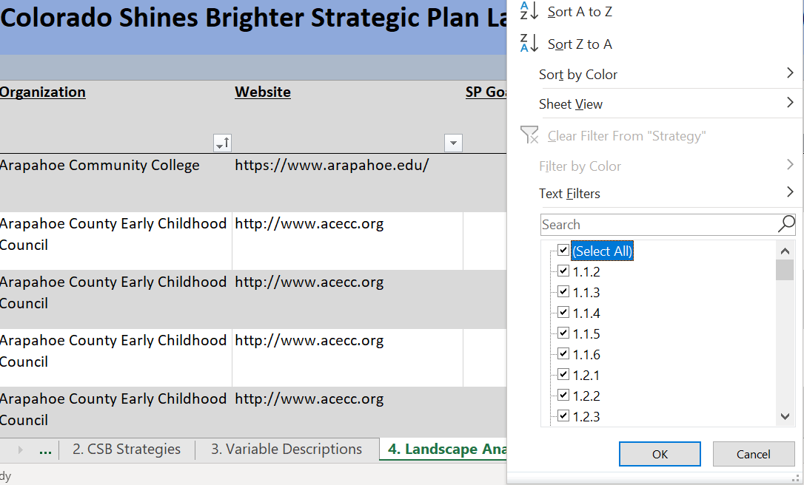 7. Clicking on the strategy arrow will open a new pop-up as shown below and you should uncheck the "Select All" box.

8. Finally, you can select strategy 4.1.1 as shown below and click OK. Then only the organization that submitted activities aligned with strategy 4.1.1 will appear in the Dashboard.
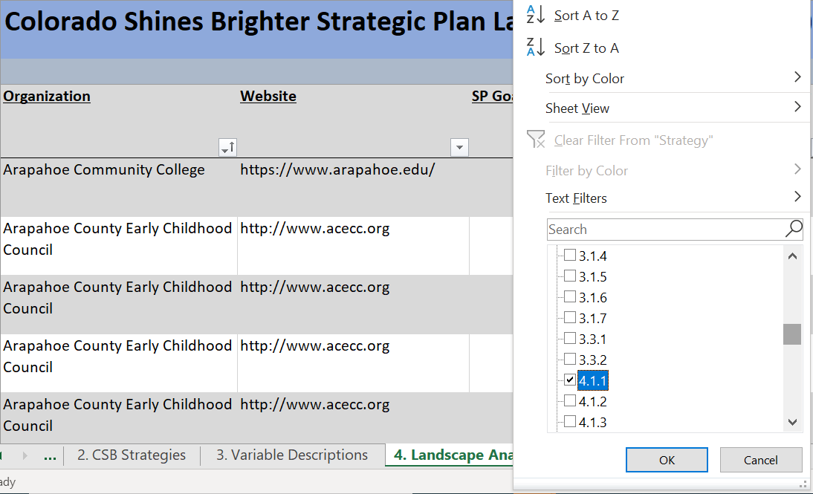
9. Then you can either select a new strategy to view or "reset" the Dashboard by checking "Select All" in the strategy column.
For more information on the Landscape Analysis please contact: Kristina Heyl at kristina.heyl@state.co.us or 303-866-5223

1. Summary Tables
Landscape Analysis Summary Tables

Primary Geographic Region Served | Count of activities
Statewide | 123
Denver | 37
Weld | 33
Adams | 29
Fremont | 29
Chaffee | 27
La Plata | 25
Larimer | 21
Boulder | 15
Grand | 12
Eagle | 11
Pueblo | 11
>10 activites each (Arapahoe, Mesa, Morgan, Summit, Alamosa, Aurora, El Paso, Araphahoe, Douglas) | 41

Organization (63 different organizations) | Count of activities contributed
Arapahoe Community College | 1
Arapahoe County Early Childhood Council | 6
Assuring Better Child Health & Development (ABCD) | 4
Buell Foundation | 10
Caring for Colorado Foundation | 4
Catholic Charities of Pueblo | 6
CDHS -- Expanding Quality in Infant Toddler Care Initiative | 3
CDPHE-Child and Adult Food Care Program | 5
Chaffee County Early Childhood Council | 27
Child Care 8,000 - Mesa County | 6
Clayton Early Learning | 2
CO Department of Public Health & Environmentt | 2
Colorado Association for Infant Mental Health | 3
Colorado Association for the Education of Young Children | 1
Colorado Department of Education | 11
Colorado Department of Education - Early Childhood Workforce Development Training Alignment Process | 1
Colorado Department of Education, State Library | 1
Colorado Department of Health Care Policy and Finance | 2
Colorado Department of Public Health and Environment | 3
Colorado Dept. of Education, State Library | 5
Colorado Evaluation and Action Lab | 5
Colorado Home Visiting Coalition | 3
Colorado Montessori Association | 5
Denver Children's Advocacy Center | 5
Denver Parks and Recreation | 4
Denver Preschool Program | 13
Denver Public Schools | 2
Denver's Early Childhood Council | 6
Douglas County Early Childhood Council | 1
Early Childhood Council Leadership Alliance | 3
Early Childhood Council of Boulder County | 15
Early Childhood Council of La Plata County | 25
Early Childhood Council of Larimer County | 18
Early Childhood Council of the San Luis Valley | 5
Early Childhood Options | 6
Early Childhood Partnership of Adams County | 23
Early Childhood Workforce Development Subcommittee | 3
Early Connections Learning Centers | 5
Early Learning Ventures | 3
Early Milestones | 2
Early Milestones Colorado | 2
ECHO and Family Center Early Childhood Council | 29
Efshar Project (formerly known as Colorado Jewish Early Childhood Initiative) | 3
Empowering Communities Globally and Lutheran Family Services | 3
Estes Valley Investment in Childhood Success | 3
Executives Partnering to Invest in Children (EPIC) | 6
Grand Beginnings | 12
Invest in Kids | 5
LAUNCH Together SW Denver | 3
LENA | 4
Marico Institute for Early Learning and Literacy, University of Denver | 1
Mile High Data Viz | 2
Morgan County Quality Improvement and Morgan County Partnership | 6
Motheread/Fatheread Colorado at Colorado Humanities | 2
Parent Possible | 5
Populations Served
Pueblo Early Childhood Council | 5
Raise Colorado | 6
Rocky Mountain Early Childhood Council | 11
Small Business Majority | 6
Spring Institute for Intercultural Learning | 3
United Way of Weld County | 33
Westminster Public Schools | 6
WorkLife Partnership | 3

Population Served | Count of activities
Prenatal/Pregnant People | 246
Birth to 3 years | 359
Goals Covered
3 to 5 years | 362
5 to 12 years | 296
Parents and Families | 360
Early Childhood Workforce | 381
Other | 52

Goal | Count of activities
Goal 1 - Align and coordinate systems | 98
Goal 2 - Innovate service delivery | 49
Goal 3 - Maximize family knowledge, engagement, and support | 76
Goal 4 - Increase meaningful and equitable access | 76
Goal 5 - Strengthen business practices | 40
Goal 6 - Improve the quality of early care and education environments and the workforce | 75
Strategy Funding
Strategy Funding | Count of activities
Preschool Development Grant Funded | 211
Non-Preschool Development Grant Funded | 192

Strategy | Count of activities
1.1.2 | 6
1.1.3 | 3
1.1.4 | 5
1.1.4 | 1
1.1.5 | 5
1.1.5 | 1
1.1.6 | 16
1.1.6 | 1
1.2.1 | 3
1.2.2 | 1
1.2.2 | 1
1.2.3 | 12
1.2.3 | 1
1.2.4 | 5
1.2.5 | 11
1.2.5 | 3
1.2.6 | 12
1.2.6 | 1
1.3.1 | 3
1.3.1 | 1
1.3.2 | 5
1.3.2 | 1
2.1.1 | 15
2.1.1 | 1
2.1.1 | 1
2.1.2 | 6
2.1.2 | 2
2.1.3 | 4
2.1.3 | 1
2.2.1 | 5
2.2.2 | 5
2.2.2 | 1
3.1.1 | 5
3.1.1 | 1
3.1.2 | 5
3.1.2 | 1
3.1.3 | 4
3.1.3 | 1
3.1.4 | 13
3.1.4 | 1
3.1.5 | 16
3.1.5 | 2
3.1.6 | 8
3.1.6 | 1
3.1.7 | 8
3.3.1 | 4
3.3.2 | 9
3.3.2 | 2
4.1.1 | 13
4.1.1 | 1
4.1.2 | 4
4.1.2 | 1
4.1.3 | 4
4.1.3 | 1
4.1.4 | 13
4.1.4 | 3
4.1.5 | 3
4.1.6 | 5
4.1.7 | 6
4.1.7 | 1
4.1.7 | 1
4.2.1 | 4
4.2.1 | 1
4.2.2 | 7
4.2.2 | 1
4.2.3 | 3
4.2.3 | 2
5.1.1 | 9
5.1.1 | 2
5.1.2 | 6
5.1.2 | 1
5.1.3 | 1
5.1.4 | 7
5.1.5 | 3
5.1.5 | 2
5.1.6 | 7
5.1.6 | 2
6.1.1 | 8
6.1.1 | 1
6.1.2 | 5
6.1.2 | 3
6.1.3 | 2
6.2.1 | 5
6.2.1 | 1
6.2.2 | 11
6.2.2 | 3
6.2.3 | 3
6.2.3 | 1
6.2.4 | 3
6.2.5 | 7
6.2.5 | 1
6.2.6 | 4
6.2.6 | 2
6.2.7 | 9

